Preisliste
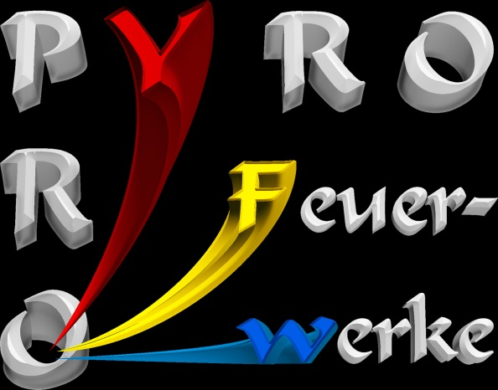
FEUERWERKS-
BATTERIEN

Artikel-Nr. | Bezeichnung | Stückpreis netto | Bestellmenge

 | Selection 1 (2:40 min), 274 Schuss, 30/45mm | 307.02 €
 | Selection 2 (60 sec), 170 Schuss, 30mm | 223.13 €
 | Selection 3 (42 sec), 84 Schuss, 30/65mm | 176.71 €
 | Selection 4 (100 sec), 144 Schuss, 30mm | 176.71 €
 | Selection 5 (3 min) I + FAN, 288 Schuss, 30mm | 335.58 €
 | Combi 1 (60 sec), 138 Schuss, 20mm | 57.12 €
 | Combi 2 (70 sec), 228 Schuss, 20mm | 92.82 €
 | 120sh Multi-Size/Shape-Cake gemischte Effekte FAN/Z-Shape (38-40sec),120 Schuss, 20-30mm | 92.82 €
 | 132sh Multi-Size/Shape-Cake gemischte Effekte FAN/Z-Shape (38-40sec),132 Schuss, 20-30mm | 92.82 €
 | 115sh Multi-Size-Cake gemischte Effekte FAN-Shape (28-30sec),115 Schuss, 20-30mm | 80.32 €

 |  | Total | - €

